Title
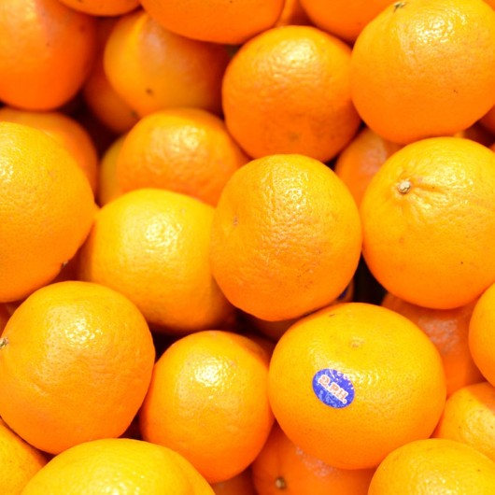
Queensland Mandarin
Gross Margin Decision Tool

Developed Matthew Willett
With Assistance from Bill Johnston and Jason Keating

Information
1. Introduction
This template aims to assist farmers to make more informed production and business decisions. By using the gross margin guideline, to understand what it costs to grow and sell an agricultural product, a farmer may be better able to identify areas within his/her business where the margins can be improved. It should be emphasised that this template is only a guide and should be adapted to the individual’s situation. Every farmer has different soil types, costs & returns, application rates, and so forth. It should be used as a framework to determine your own costs of production and crop selection.
2. What is a Gross Margin?
The Gross Margin (GM) is a financial yardstick used for comparing alternative farm enterprises. The GM is calculated by subtracting all variable costs directly incurred by the enterprise from the gross income received for the sale of the produce. Variable costs include land preparation, fertiliser, planting, seed, chemicals, casual labour, picking, packaging, freight, and selling expenses. Gross income is that received before any agents commission, levies, freight or other selling costs are subtracted. A Gross Margin is not a measure of farm profit as it does not take into account fixed costs of the enterprise. These include rates, operators labour, insurance, interest, depreciation, administration, and so forth. You may consider the Gross Margin as a contribution towards farm overheads (fixed costs). Gross margins for different cropping enterprises can only be compared if they use the same land, permanent labour, and machinery resources. If this is not the case a more detailed analysis is required.
The Gross Margin is expressed in several ways; per hectare, per carton, or per tonne. Expressing the GM as $ per Megalitre can also be useful as water can be a limiting factor of production. The basic calculation of a Gross Margin is as follows:
GROSS INCOME (Price x Yield)
Less: TOTAL GROWING COSTS ($/ha)
HARVESTING COSTS ($/Carton x Yield)
PACKING AND PACKAGING COSTS ($/Carton x Yield)
FREIGHT COSTS ($/Carton x Yield)
MARKETING COSTS (Commission/Levies Rate)
Gross Margins can also be very useful in the following situations:
• Selecting the most desirable (profitable, time efficient, water efficient, etc.) cropping enterprise or rotation.
• Comparing different farming methods eg. seed v. speedling, or trickle v. flood irrigation.
• Preparing cash-flow budgets.
• Estimating farm profit and loss.
• Calculating costs of production.
• Assisting with investment decisions (which enterprise? on or off farm?)
3. Assumptions
This Gross Margins is based on the following assumptions:
• Fixed or overhead costs are not included.
• Owner’s labour is not included.
• Casual labour is included, but the hours per hectare that are included can vary widely.
• Yields are based on the average for fertilisers, water and chemical inputs.
• Machinery operations are costed for a range of tractors that are required to carry out each particular operation.
All machinery operations include fuel, oil, repairs and maintenance (F.O.R.M.). This process is followed for all machinery operation costing. The fixed costs of ownership such as registration, insurance, interest, and depreciation are not included.
• Fertiliser and crop protection costs are envisaged to be ‘typical’ for the region in the average season to produce average yield and quality.
• Crops grown with irrigation have been costed accordingly where this is seen to be the most common practice.
• Input costs are based on retail prices at the time of preparation.
4. Using the Template
Coloured cells
There may be a number of coloured cells in the template provided. The yellow cells indicate where you should enter data. The red cells are locked and secured against tampering.
Making Data Entries
Data entry in the package is simple. Numbers are entered into the yellow data cells. These figures will be used in formulas to calculate the $/Package and $/Hectare. These will be calculated once the required data has been entered into the appropriate cells. When entering data you can press Enter to store the data in that cell, or simply move the cursor off that cell.
Average Data
Fertiliser use and Insecticide, Pesticide and Weedicide use contain both an average figure and a section to complete individual products. If you decide to enter the individual products the number of applications for the average rows must be set to zero. The list of chemicals/fertilizers provided is by no means a guide to ideal production, but simply a list of chemicals that were used by atleast one of the farms visited to create this tool of which prices were readily available.
Sensitivity Tables
In some of the templates you will find sensitivity tables. One is labelled Yield, and the other Price. You will notice there are yellow cells for data entry. You are able to enter data in these tables so that you might see how price and yield changes will effect the gross margin. These tables can be used as a tool to observe the effect a fall or rise in price and yield might have. High ‘sensitivity’ might refer to a large change in gross margin derived from a small change in price or yield. By knowing the sensitivity you are able to crudely measure some of the risk involved in growing of a certain crop. A crop’s gross margin may be sensitive to one, both or none.
5. Some Definitions of Headings Used
Package - Generic term for Cartons, Cases, Trays and Tonnes.
Yield/Ha - Cartons, Cases, Trays or Tonnes produced per hectare.
$/Package - Price received, or expected price, per package. Also represents a break up of costs per package.
$/Hectare - Represents the income per hectare, or cost per hectare.
Operations - Number of times a certain farm machinery operation is carried out.
$/Operation - Represents Fuel, Oil, Repairs and Maintenance (F.O.R.M). These
individual components provide the running costs of the machinery.
Units/Ha - Kilograms, Litres or Number used per hectare.
$/Unit - Represents cost per kilogram, litre or number.
Applications - Number of times a chemical is applied to the crop over its life.
ML/Ha - Amount of water in Megalitres used to irrigate the crop over its life.
$/ML - Cost of water used to irrigate crop.
Hours - Number of man hours required to grow the crop.
$/Hour - Value of one man hour (casual wages)
Metres - Total length of equipment used on one hectare.
$/Metre - Cost per metre of irrigation equipment.
Packages/Hr - The number of cartons, cases, trays or tonnes picked in one man hour.
$/Pallet - The cost of transporting one pallet to a selected destination. Prices vary depending on wether you require refrigerated transport, or freight can be sent hot.
Pallets - Number of pallets required to transport the yield of one hectare.
6. Key Notes
Some trade names are used for the purpose of providing specific information and because growers may be unfamiliar with actual chemical/active ingredient names. Mention of a trade name does not constitute a guarantee, warranty or endorsement by the Department.
Application rates and frequencies are those found to be most commonly applied (at the time the template was prepared) by producers and/or those recommended by chemical producers. Application rates and frequencies are not recommendations by the Department. Producers should seek further advice regarding chemical and fertiliser rates if they have any queries.

